The nice graph
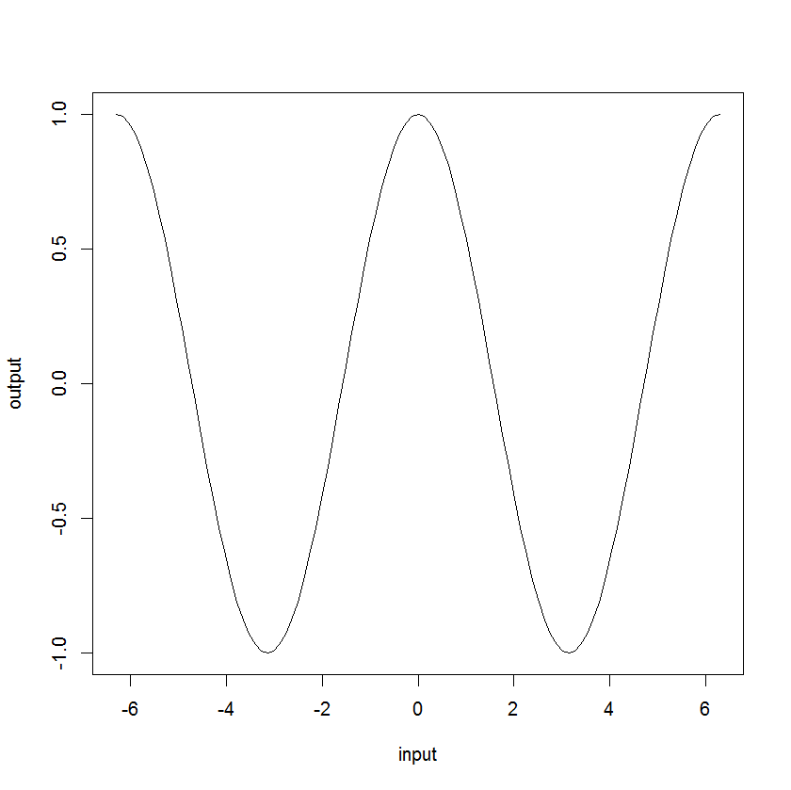
The periodic behavior of the other data:

